Sheet1
https://www.qcloud.com/product/cos
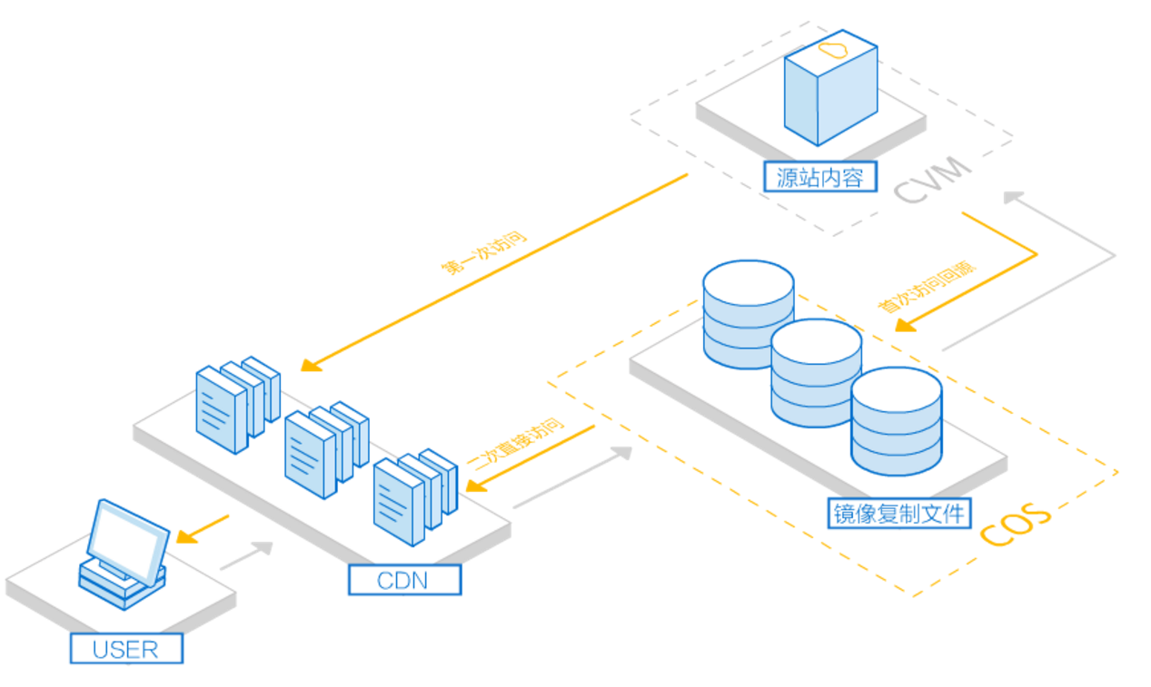

防盗链

跨域请求

